MLB UMPIRE ASSGN
MLB UMPIRE ASSIGNMENT
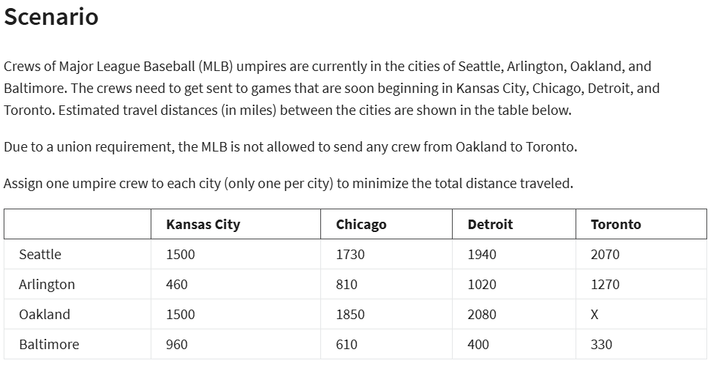

DATA TABLE:- |  |  | CITIES
 |  |  | KANSAS | CHICAGO | DETROIT | TORONTO
 | CREWS OF MLB UMPIRES | SEATTLE | 1500 | 1730 | 1940 | 2070
 |  | AIRLINGTON | 460 | 810 | 1020 | 1270
 |  | OAKLAND | 1500 | 1850 | 2080 | X
 |  | BALTIMORE | 960 | 610 | 400 | 330

ASSIGNMENT:- |  |  | CITIES
 |  |  | KANSAS | CHICAGO | DETROIT | TORONTO | TOTAL | SIGN
 | CREWS OF MLB UMPIRES | SEATTLE | 0 | 1 | 0 | 0 | 1 | = | 1
 |  | AIRLINGTON | 1 | 0 | 0 | 0 | 1 | = | 1
 |  | OAKLAND | 0 | 0 | 0 | 1 | 1 | = | 1
 |  | BALTIMORE | 0 | 0 | 1 | 0 | 1 | = | 1
 |  | TOTAL | 1 | 1 | 1 | 1
 |  | SIGN | <= | <= | <= | <=
 |  | ONLY 1 PER CITY | 1 | 1 | 1 | 1

OBJECTIVE: | MIN TOTAL MILES | 2590

LP MMODEL SOLUTION:
TOTAL MIN MILES: | 2590
ASSIGNMENT TABLE: |  |  | CITIES
 |  |  | KANSAS | CHICAGO | DETROIT | TORONTO
 | CREWS OF MLB UMPIRES | SEATTLE | 0 | 1 | 0 | 0
 |  | AIRLINGTON | 1 | 0 | 0 | 0
 |  | OAKLAND | 0 | 0 | 0 | 1
 |  | BALTIMORE | 0 | 0 | 1 | 0

